getSuggestion
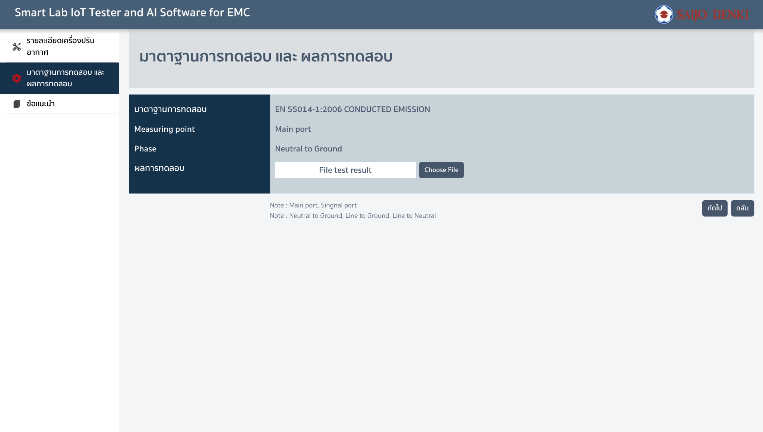
input รายละเอียดเครื่องปรับอากาศ(indoor, outdoor, ferrite core)และผลการทดสอบ
getSuggestion
Request
{ indoorl: { "indoor_cx1": "", "indoor_cx2": "" "indoor_l1": "", "indoor_cy1": "", "indoor_cy2": "", }, outdoor: { "outdoor_cx1": "", "outdoor_cx2": "" "outdoor_l1": "", "outdoor_cy1": "", "outdoor_cy2": "" }, ferrite: { "material_core1": "", "diameter_core1": "", "tickness_core1": "", "length_core1": "", "number_of_turn_core1": "" "material_core2": "", "diameter_core2": "", "tickness_core2": "", "length_core2": "", "number_of_turn_core2": "" "material_core3": "", "diameter_core3": "", "tickness_core3": "", "length_core3": "", "number_of_turn_core3": "" "material_core4": "", "diameter_core4": "", "tickness_core4": "", "length_core4": "", "number_of_turn_core4": "" "material_core5": "", "diameter_core5": "", "tickness_core5": "", "length_core5": "", "number_of_turn_core5": "" }, test: { } }
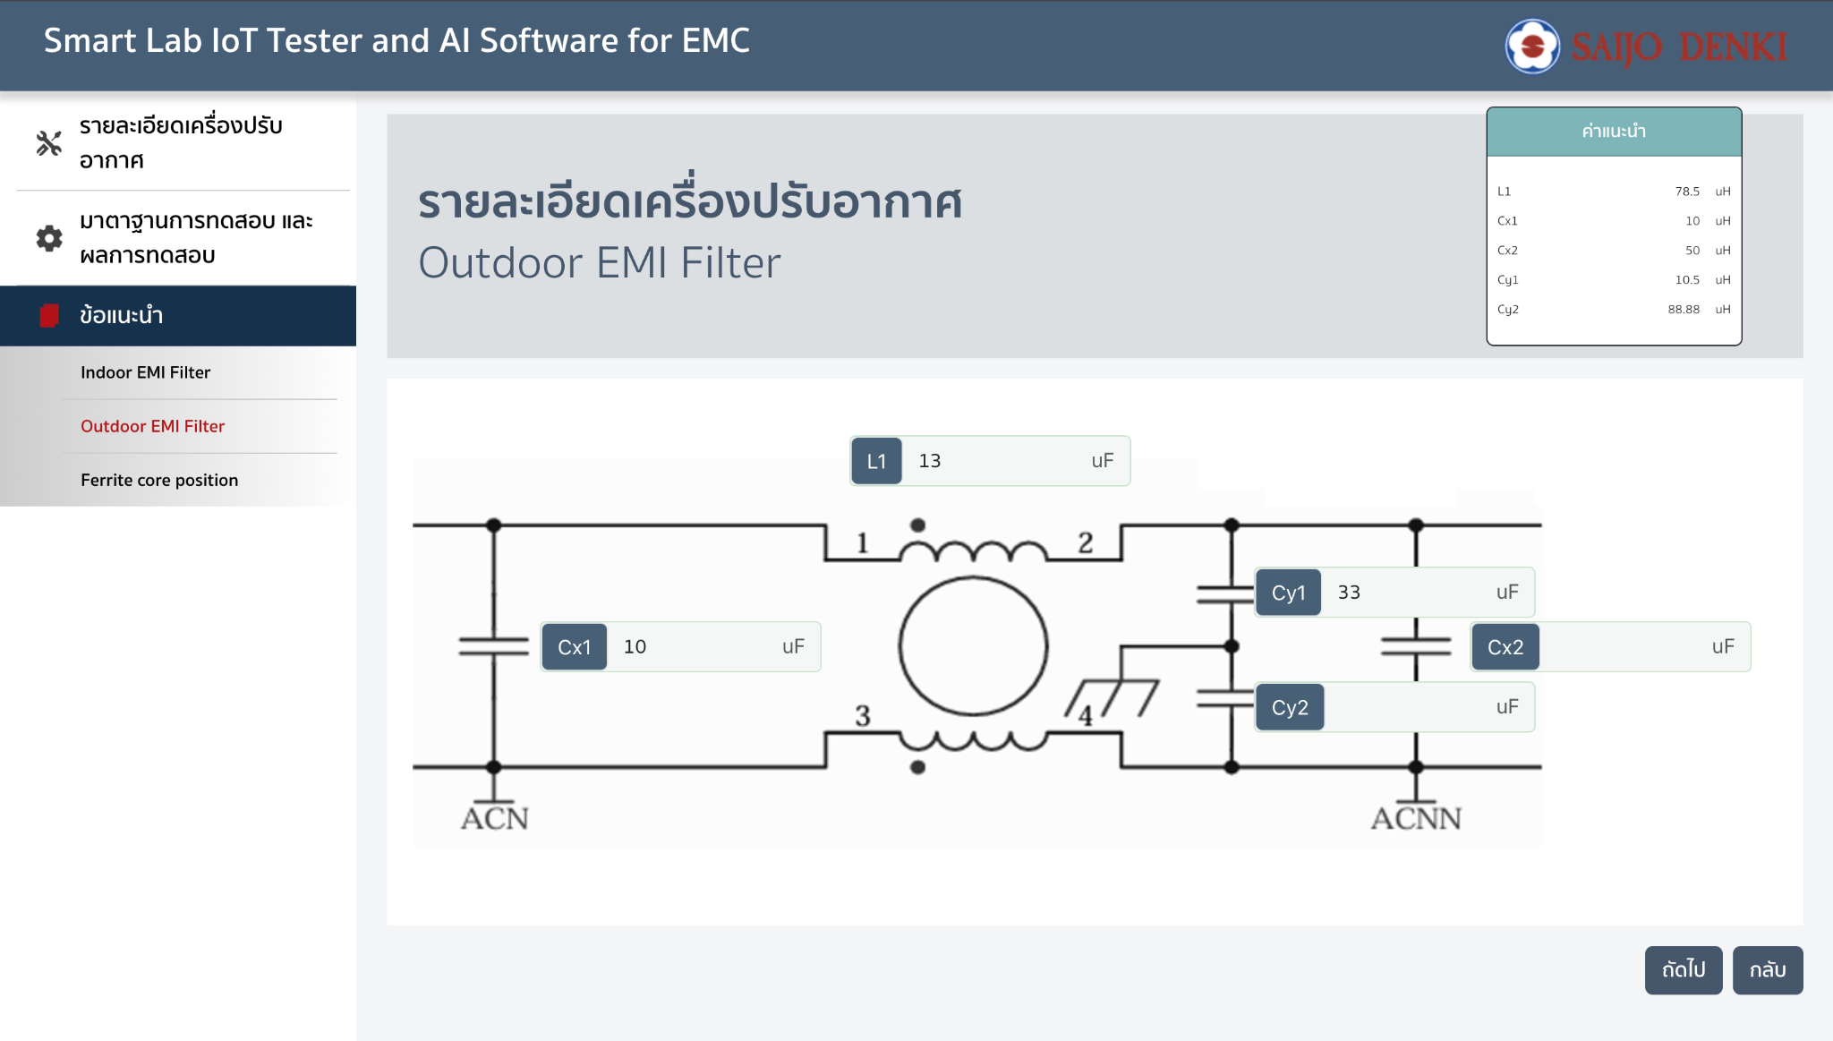
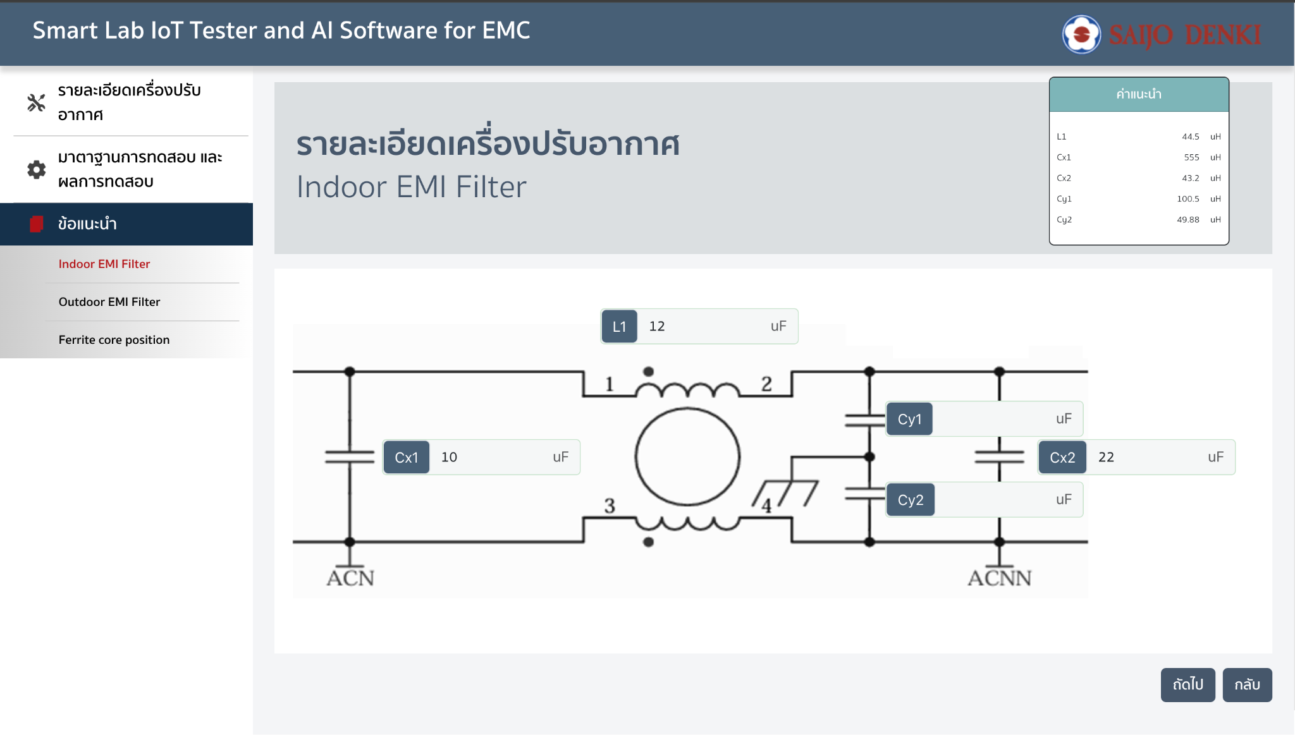
Response
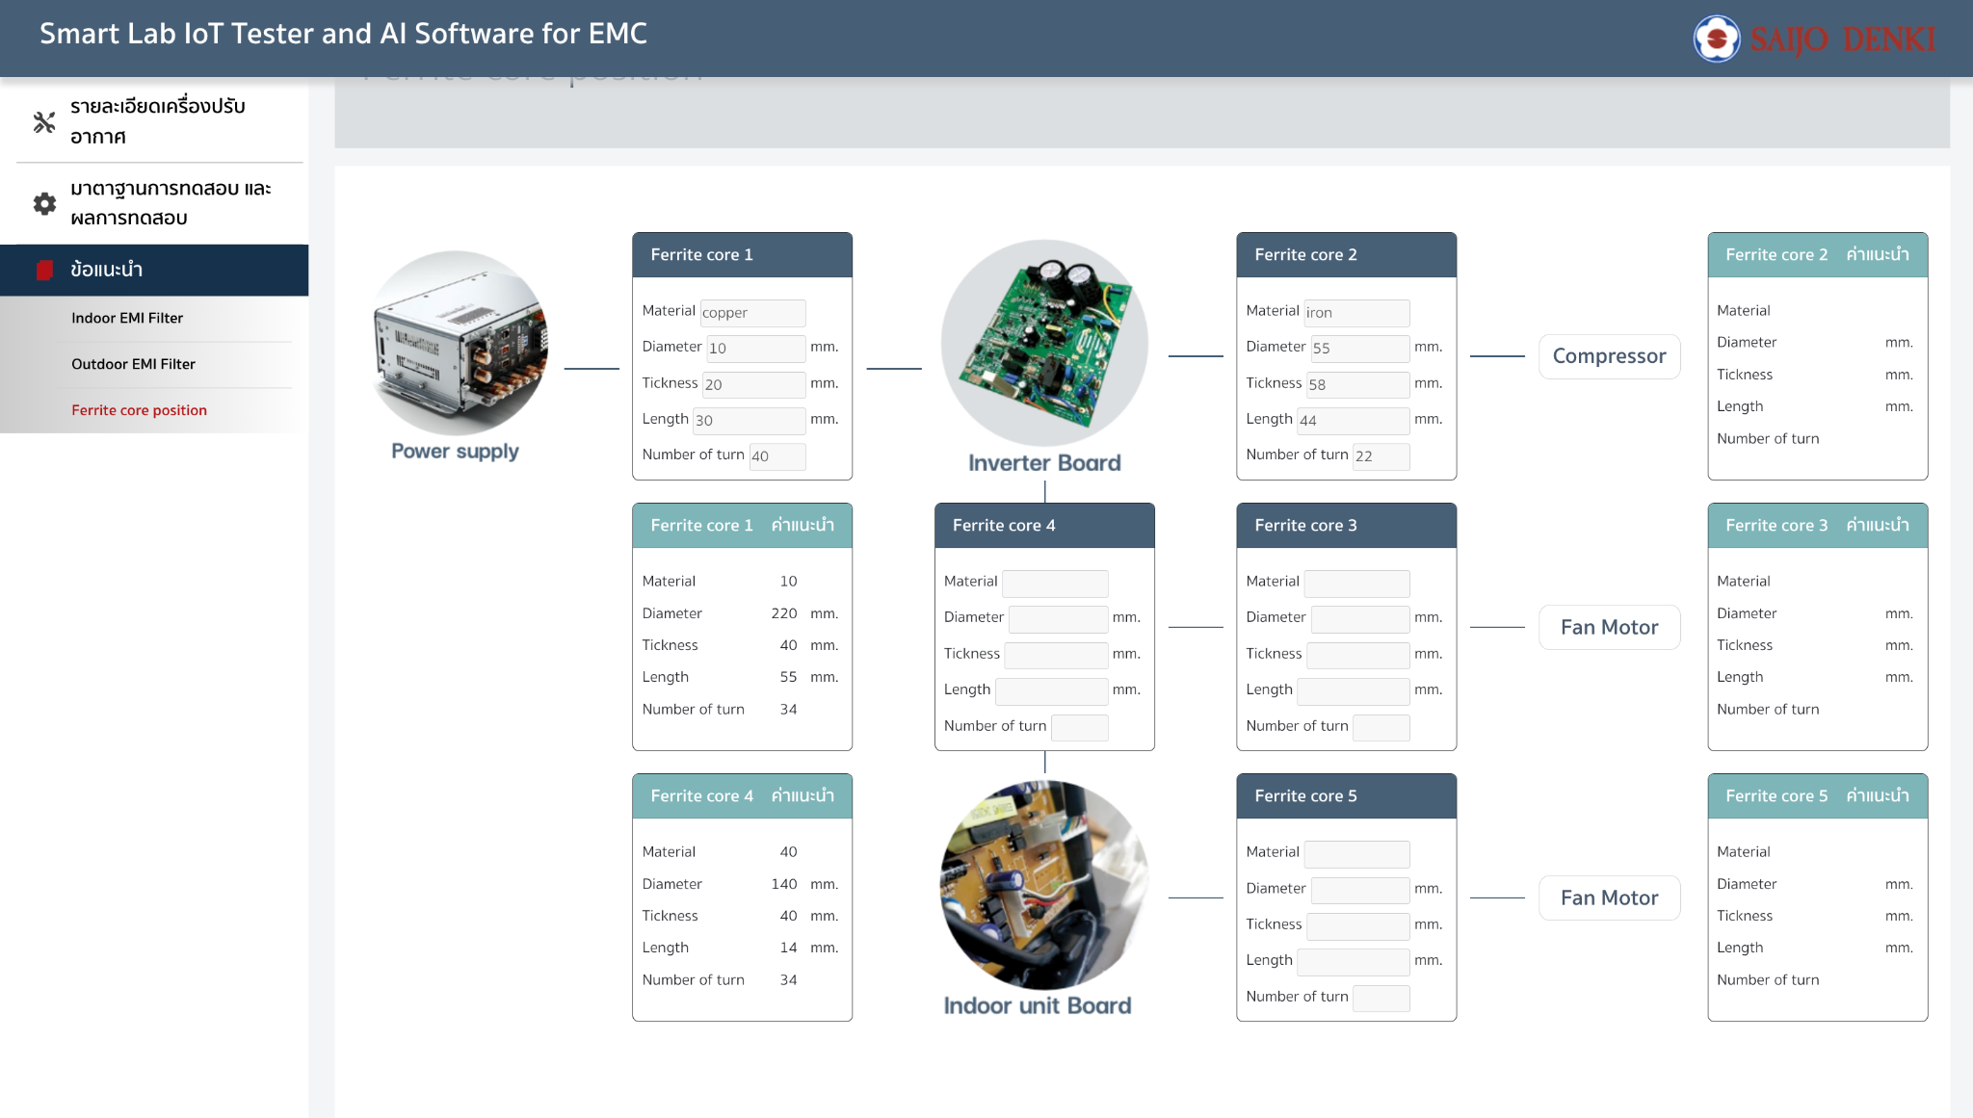
{ indoorl: { "indoor_cx1": "", "indoor_cx2": "" "indoor_l1": "", "indoor_cy1": "", "indoor_cy2": "", }, outdoor: { "outdoor_cx1": "", "outdoor_cx2": "" "outdoor_l1": "", "outdoor_cy1": "", "outdoor_cy2": "" }, ferrite: { "material_core1": "", "diameter_core1": "", "tickness_core1": "", "length_core1": "", "number_of_turn_core1": "" "material_core2": "", "diameter_core2": "", "tickness_core2": "", "length_core2": "", "number_of_turn_core2": "" "material_core3": "", "diameter_core3": "", "tickness_core3": "", "length_core3": "", "number_of_turn_core3": "" "material_core4": "", "diameter_core4": "", "tickness_core4": "", "length_core4": "", "number_of_turn_core4": "" "material_core5": "", "diameter_core5": "", "tickness_core5": "", "length_core5": "", "number_of_turn_core5": "" }, }

